S03
Design Pattern - Factory Pattern
 | Factory pattern is one of the most used design patterns in Java. This type of design pattern comes under creational pattern as this pattern provides one of the best ways to create an object.
 | In Factory pattern, we create object without exposing the creation logic to the client and refer to newly created object using a common interface.

Implementation
 | We're going to create a Shape interface and concrete classes implementing the Shape interface. A factory class ShapeFactory is defined as a next step.
 | FactoryPatternDemo, our demo class will use ShapeFactory to get a Shapeobject. It will pass information (CIRCLE / RECTANGLE / SQUARE) to ShapeFactory to get the type of object it needs.

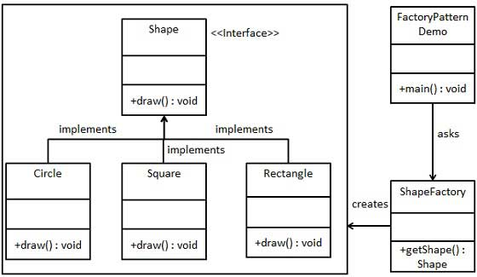

 | Step 1
 | Create an interface.
 | Shape.java
 | public interface Shape {
 | void draw();
 | }
 | Step 2
 | Create concrete classes implementing the same interface.
 | Rectangle.java
 | public class Rectangle implements Shape {

 | @Override
 | public void draw() {
 | System.out.println("Inside Rectangle::draw() method.");
 | }
 | }
 | Square.java
 | public class Square implements Shape {

 | @Override
 | public void draw() {
 | System.out.println("Inside Square::draw() method.");
 | }
 | }
 | Circle.java
 | public class Circle implements Shape {

 | @Override
 | public void draw() {
 | System.out.println("Inside Circle::draw() method.");
 | }
 | }
 | Step 3
 | Create a Factory to generate object of concrete class based on given information.
 | ShapeFactory.java
 | public class ShapeFactory {

 | //use getShape method to get object of type shape
 | public Shape getShape(String shapeType){
 | if(shapeType == null){
 | return null;
 | }
 | if(shapeType.equalsIgnoreCase("CIRCLE")){
 | return new Circle();

 | } else if(shapeType.equalsIgnoreCase("RECTANGLE")){
 | return new Rectangle();

 | } else if(shapeType.equalsIgnoreCase("SQUARE")){
 | return new Square();
 | }

 | return null;
 | }
 | }
 | Step 4
 | Use the Factory to get object of concrete class by passing an information such as type.
 | FactoryPatternDemo.java
 | public class FactoryPatternDemo {

 | public static void main(String[] args) {
 | ShapeFactory shapeFactory = new ShapeFactory();

 | //get an object of Circle and call its draw method.
 | Shape shape1 = shapeFactory.getShape("CIRCLE");

 | //call draw method of Circle
 | shape1.draw();

 | //get an object of Rectangle and call its draw method.
 | Shape shape2 = shapeFactory.getShape("RECTANGLE");

 | //call draw method of Rectangle
 | shape2.draw();

 | //get an object of Square and call its draw method.
 | Shape shape3 = shapeFactory.getShape("SQUARE");

 | //call draw method of circle
 | shape3.draw();
 | }
 | }
 | Step 5
 | Verify the output.
 | Inside Circle::draw() method.
 | Inside Rectangle::draw() method.
 | Inside Square::draw() method.

S04
Design Pattern - Abstract Factory Pattern
 | Abstract Factory patterns work around a super-factory which creates other factories. This factory is also called as factory of factories. This type of design pattern comes under creational pattern as this pattern provides one of the best ways to create an object.
 | In Abstract Factory pattern an interface is responsible for creating a factory of related objects without explicitly specifying their classes. Each generated factory can give the objects as per the Factory pattern.

Implementation
 | We are going to create a Shape and Color interfaces and concrete classes implementing these interfaces. We create an abstract factory class AbstractFactory as next step. Factory classes ShapeFactory and ColorFactoryare defined where each factory extends AbstractFactory. A factory creator/generator class FactoryProducer is created.
 | AbstractFactoryPatternDemo, our demo class uses FactoryProducer to get a AbstractFactory object. It will pass information (CIRCLE / RECTANGLE / SQUARE for Shape) to AbstractFactory to get the type of object it needs. It also passes information (RED / GREEN / BLUE for Color) to AbstractFactory to get the type of object it needs.

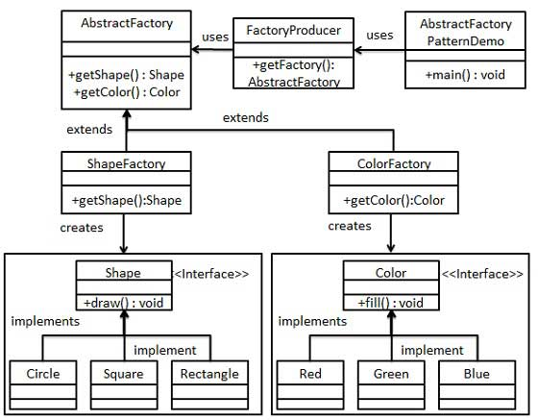

 | Step 1
 | Create an interface for Shapes.
 | Shape.java
 | public interface Shape {
 | void draw();
 | }
 | Step 2
 | Create concrete classes implementing the same interface.
 | Rectangle.java
 | public class Rectangle implements Shape {

 | @Override
 | public void draw() {
 | System.out.println("Inside Rectangle::draw() method.");
 | }
 | }
 | Square.java
 | public class Square implements Shape {

 | @Override
 | public void draw() {
 | System.out.println("Inside Square::draw() method.");
 | }
 | }
 | Circle.java
 | public class Circle implements Shape {

 | @Override
 | public void draw() {
 | System.out.println("Inside Circle::draw() method.");
 | }
 | }
 | Step 3
 | Create an interface for Colors.
 | Color.java
 | public interface Color {
 | void fill();
 | }
 | Step4
 | Create concrete classes implementing the same interface.
 | Red.java
 | public class Red implements Color {

 | @Override
 | public void fill() {
 | System.out.println("Inside Red::fill() method.");
 | }
 | }
 | Green.java
 | public class Green implements Color {

 | @Override
 | public void fill() {
 | System.out.println("Inside Green::fill() method.");
 | }
 | }
 | Blue.java
 | public class Blue implements Color {

 | @Override
 | public void fill() {
 | System.out.println("Inside Blue::fill() method.");
 | }
 | }
 | Step 5
 | Create an Abstract class to get factories for Color and Shape Objects.
 | AbstractFactory.java
 | public abstract class AbstractFactory {
 | abstract Color getColor(String color);
 | abstract Shape getShape(String shape) ;
 | }
 | Step 6
 | Create Factory classes extending AbstractFactory to generate object of concrete class based on given information.
 | ShapeFactory.java
 | public class ShapeFactory extends AbstractFactory {

 | @Override
 | public Shape getShape(String shapeType){

 | if(shapeType == null){
 | return null;
 | }

 | if(shapeType.equalsIgnoreCase("CIRCLE")){
 | return new Circle();

 | }else if(shapeType.equalsIgnoreCase("RECTANGLE")){
 | return new Rectangle();

 | }else if(shapeType.equalsIgnoreCase("SQUARE")){
 | return new Square();
 | }

 | return null;
 | }

 | @Override
 | Color getColor(String color) {
 | return null;
 | }
 | }
 | ColorFactory.java
 | public class ColorFactory extends AbstractFactory {

 | @Override
 | public Shape getShape(String shapeType){
 | return null;
 | }

 | @Override
 | Color getColor(String color) {

 | if(color == null){
 | return null;
 | }

 | if(color.equalsIgnoreCase("RED")){
 | return new Red();

 | }else if(color.equalsIgnoreCase("GREEN")){
 | return new Green();

 | }else if(color.equalsIgnoreCase("BLUE")){
 | return new Blue();
 | }

 | return null;
 | }
 | }
 | Step 7
 | Create a Factory generator/producer class to get factories by passing an information such as Shape or Color
 | FactoryProducer.java
 | public class FactoryProducer {
 | public static AbstractFactory getFactory(String choice){

 | if(choice.equalsIgnoreCase("SHAPE")){
 | return new ShapeFactory();

 | }else if(choice.equalsIgnoreCase("COLOR")){
 | return new ColorFactory();
 | }

 | return null;
 | }
 | }
 | Step 8
 | Use the FactoryProducer to get AbstractFactory in order to get factories of concrete classes by passing an information such as type.
 | AbstractFactoryPatternDemo.java
 | public class AbstractFactoryPatternDemo {
 | public static void main(String[] args) {

 | //get shape factory
 | AbstractFactory shapeFactory = FactoryProducer.getFactory("SHAPE");

 | //get an object of Shape Circle
 | Shape shape1 = shapeFactory.getShape("CIRCLE");

 | //call draw method of Shape Circle
 | shape1.draw();

 | //get an object of Shape Rectangle
 | Shape shape2 = shapeFactory.getShape("RECTANGLE");

 | //call draw method of Shape Rectangle
 | shape2.draw();

 | //get an object of Shape Square
 | Shape shape3 = shapeFactory.getShape("SQUARE");

 | //call draw method of Shape Square
 | shape3.draw();

 | //get color factory
 | AbstractFactory colorFactory = FactoryProducer.getFactory("COLOR");

 | //get an object of Color Red
 | Color color1 = colorFactory.getColor("RED");

 | //call fill method of Red
 | color1.fill();

 | //get an object of Color Green
 | Color color2 = colorFactory.getColor("Green");

 | //call fill method of Green
 | color2.fill();

 | //get an object of Color Blue
 | Color color3 = colorFactory.getColor("BLUE");

 | //call fill method of Color Blue
 | color3.fill();
 | }
 | }
 | Step 9
 | Verify the output.
 | Inside Circle::draw() method.
 | Inside Rectangle::draw() method.
 | Inside Square::draw() method.
 | Inside Red::fill() method.
 | Inside Green::fill() method.
 | Inside Blue::fill() method.

S05
Design Pattern - Singleton Pattern
 | Singleton pattern is one of the simplest design patterns in Java. This type of design pattern comes under creational pattern as this pattern provides one of the best ways to create an object.
 | This pattern involves a single class which is responsible to create an object while making sure that only single object gets created. This class provides a way to access its only object which can be accessed directly without need to instantiate the object of the class.

Implementation
 | We're going to create a SingleObject class. SingleObject class have its constructor as private and have a static instance of itself.
 | SingleObject class provides a static method to get its static instance to outside world. SingletonPatternDemo, our demo class will use SingleObject class to get a SingleObject object.

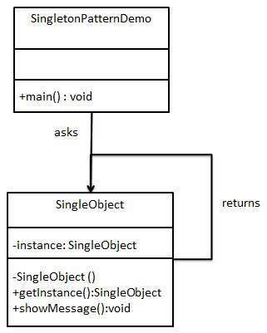

 | Step 1
 | Create a Singleton Class.
 | SingleObject.java
 | public class SingleObject {

 | //create an object of SingleObject
 | private static SingleObject instance = new SingleObject();

 | //make the constructor private so that this class cannot be
 | //instantiated
 | private SingleObject(){}

 | //Get the only object available
 | public static SingleObject getInstance(){
 | return instance;
 | }

 | public void showMessage(){
 | System.out.println("Hello World!");
 | }
 | }
 | Step 2
 | Get the only object from the singleton class.
 | SingletonPatternDemo.java
 | public class SingletonPatternDemo {
 | public static void main(String[] args) {

 | //illegal construct
 | //Compile Time Error: The constructor SingleObject() is not visible
 | //SingleObject object = new SingleObject();

 | //Get the only object available
 | SingleObject object = SingleObject.getInstance();

 | //show the message
 | object.showMessage();
 | }
 | }
 | Step 3
 | Verify the output.
 | Hello World!

S06
Design Patterns - Builder Pattern
 | Builder pattern builds a complex object using simple objects and using a step by step approach. This type of design pattern comes under creational pattern as this pattern provides one of the best ways to create an object.
 | A Builder class builds the final object step by step. This builder is independent of other objects.

Implementation
 | We have considered a business case of fast-food restaurant where a typical meal could be a burger and a cold drink. Burger could be either a Veg Burger or Chicken Burger and will be packed by a wrapper. Cold drink could be either a coke or pepsi and will be packed in a bottle.
 | We are going to create an Item interface representing food items such as burgers and cold drinks and concrete classes implementing the Item interface and a Packing interface representing packaging of food items and concrete classes implementing the Packing interface as burger would be packed in wrapper and cold drink would be packed as bottle.
 | We then create a Meal class having ArrayList of Item and a MealBuilder to build different types of Meal objects by combining Item. BuilderPatternDemo, our demo class will use MealBuilder to build a Meal.

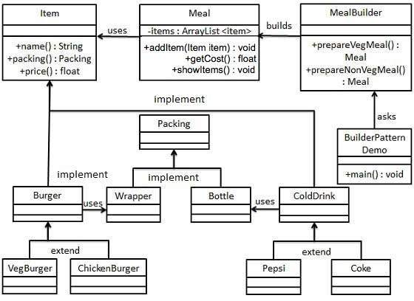

 | Step 1
 | Create an interface Item representing food item and packing.
 | Item.java
 | public interface Item {
 | public String name();
 | public Packing packing();
 | public float price();
 | }
 | Packing.java
 | public interface Packing {
 | public String pack();
 | }
 | Step 2
 | Create concrete classes implementing the Packing interface.
 | Wrapper.java
 | public class Wrapper implements Packing {

 | @Override
 | public String pack() {
 | return "Wrapper";
 | }
 | }
 | Bottle.java
 | public class Bottle implements Packing {

 | @Override
 | public String pack() {
 | return "Bottle";
 | }
 | }
 | Step 3
 | Create abstract classes implementing the item interface providing default functionalities.
 | Burger.java
 | public abstract class Burger implements Item {

 | @Override
 | public Packing packing() {
 | return new Wrapper();
 | }

 | @Override
 | public abstract float price();
 | }
 | ColdDrink.java
 | public abstract class ColdDrink implements Item {

 | @Override
 | public Packing packing() {
 | return new Bottle();
 | }

 | @Override
 | public abstract float price();
 | }
 | Step 4
 | Create concrete classes extending Burger and ColdDrink classes
 | VegBurger.java
 | public class VegBurger extends Burger {

 | @Override
 | public float price() {
 | return 25.0f;
 | }

 | @Override
 | public String name() {
 | return "Veg Burger";
 | }
 | }
 | ChickenBurger.java
 | public class ChickenBurger extends Burger {

 | @Override
 | public float price() {
 | return 50.5f;
 | }

 | @Override
 | public String name() {
 | return "Chicken Burger";
 | }
 | }
 | Coke.java
 | public class Coke extends ColdDrink {

 | @Override
 | public float price() {
 | return 30.0f;
 | }

 | @Override
 | public String name() {
 | return "Coke";
 | }
 | }
 | Pepsi.java
 | public class Pepsi extends ColdDrink {

 | @Override
 | public float price() {
 | return 35.0f;
 | }

 | @Override
 | public String name() {
 | return "Pepsi";
 | }
 | }
 | Step 5
 | Create a Meal class having Item objects defined above.
 | Meal.java
 | import java.util.ArrayList;
 | import java.util.List;

 | public class Meal {
 | private List<Item> items = new ArrayList<Item>();

 | public void addItem(Item item){
 | items.add(item);
 | }

 | public float getCost(){
 | float cost = 0.0f;

 | for (Item item : items) {
 | cost += item.price();
 | }
 | return cost;
 | }

 | public void showItems(){

 | for (Item item : items) {
 | System.out.print("Item : " + item.name());
 | System.out.print(", Packing : " + item.packing().pack());
 | System.out.println(", Price : " + item.price());
 | }
 | }
 | }
 | Step 6
 | Create a MealBuilder class, the actual builder class responsible to create Meal objects.
 | MealBuilder.java
 | public class MealBuilder {

 | public Meal prepareVegMeal (){
 | Meal meal = new Meal();
 | meal.addItem(new VegBurger());
 | meal.addItem(new Coke());
 | return meal;
 | }

 | public Meal prepareNonVegMeal (){
 | Meal meal = new Meal();
 | meal.addItem(new ChickenBurger());
 | meal.addItem(new Pepsi());
 | return meal;
 | }
 | }
 | Step 7
 | BuiderPatternDemo uses MealBuider to demonstrate builder pattern.
 | BuilderPatternDemo.java
 | public class BuilderPatternDemo {
 | public static void main(String[] args) {

 | MealBuilder mealBuilder = new MealBuilder();

 | Meal vegMeal = mealBuilder.prepareVegMeal();
 | System.out.println("Veg Meal");
 | vegMeal.showItems();
 | System.out.println("Total Cost: " + vegMeal.getCost());

 | Meal nonVegMeal = mealBuilder.prepareNonVegMeal();
 | System.out.println("\n\nNon-Veg Meal");
 | nonVegMeal.showItems();
 | System.out.println("Total Cost: " + nonVegMeal.getCost());
 | }
 | }
 | Step 8
 | Verify the output.
 | Veg Meal
 | Item : Veg Burger, Packing : Wrapper, Price : 25.0
 | Item : Coke, Packing : Bottle, Price : 30.0
 | Total Cost: 55.0

 | Non-Veg Meal
 | Item : Chicken Burger, Packing : Wrapper, Price : 50.5
 | Item : Pepsi, Packing : Bottle, Price : 35.0
 | Total Cost: 85.5

S07
Design Patterns - Prototype Pattern
 | Prototype pattern refers to creating duplicate object while keeping performance in mind. This type of design pattern comes under creational pattern as this pattern provides one of the best ways to create an object.
 | This pattern involves implementing a prototype interface which tells to create a clone of the current object. This pattern is used when creation of object directly is costly. For example, an object is to be created after a costly database operation. We can cache the object, returns its clone on next request and update the database as and when needed thus reducing database calls.

Implementation
 | We're going to create an abstract class Shape and concrete classes extending the Shape class. A class ShapeCache is defined as a next step which stores shape objects in a Hashtable and returns their clone when requested.
 | PrototypPatternDemo, our demo class will use ShapeCache class to get a Shape object.

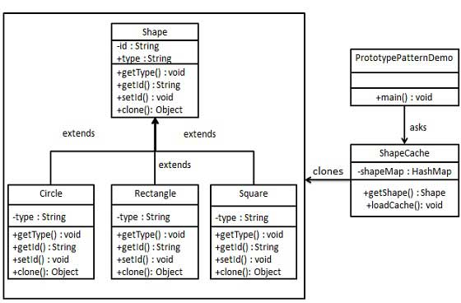

 | Step 1
 | Create an abstract class implementing Clonable interface.
 | Shape.java
 | public abstract class Shape implements Cloneable {

 | private String id;
 | protected String type;

 | abstract void draw();

 | public String getType(){
 | return type;
 | }

 | public String getId() {
 | return id;
 | }

 | public void setId(String id) {
 | this.id = id;
 | }

 | public Object clone() {
 | Object clone = null;

 | try {
 | clone = super.clone();

 | } catch (CloneNotSupportedException e) {
 | e.printStackTrace();
 | }

 | return clone;
 | }
 | }
 | Step 2
 | Create concrete classes extending the above class.
 | Rectangle.java
 | public class Rectangle extends Shape {

 | public Rectangle(){
 | type = "Rectangle";
 | }

 | @Override
 | public void draw() {
 | System.out.println("Inside Rectangle::draw() method.");
 | }
 | }
 | Square.java
 | public class Square extends Shape {

 | public Square(){
 | type = "Square";
 | }

 | @Override
 | public void draw() {
 | System.out.println("Inside Square::draw() method.");
 | }
 | }
 | Circle.java
 | public class Circle extends Shape {

 | public Circle(){
 | type = "Circle";
 | }

 | @Override
 | public void draw() {
 | System.out.println("Inside Circle::draw() method.");
 | }
 | }
 | Step 3
 | Create a class to get concrete classes from database and store them in a Hashtable.
 | ShapeCache.java
 | import java.util.Hashtable;

 | public class ShapeCache {

 | private static Hashtable<String, Shape> shapeMap = new Hashtable<String, Shape>();

 | public static Shape getShape(String shapeId) {
 | Shape cachedShape = shapeMap.get(shapeId);
 | return (Shape) cachedShape.clone();
 | }

 | // for each shape run database query and create shape
 | // shapeMap.put(shapeKey, shape);
 | // for example, we are adding three shapes

 | public static void loadCache() {
 | Circle circle = new Circle();
 | circle.setId("1");
 | shapeMap.put(circle.getId(),circle);

 | Square square = new Square();
 | square.setId("2");
 | shapeMap.put(square.getId(),square);

 | Rectangle rectangle = new Rectangle();
 | rectangle.setId("3");
 | shapeMap.put(rectangle.getId(), rectangle);
 | }
 | }
 | Step 4
 | PrototypePatternDemo uses ShapeCache class to get clones of shapes stored in a Hashtable.
 | PrototypePatternDemo.java
 | public class PrototypePatternDemo {
 | public static void main(String[] args) {
 | ShapeCache.loadCache();

 | Shape clonedShape = (Shape) ShapeCache.getShape("1");
 | System.out.println("Shape : " + clonedShape.getType());

 | Shape clonedShape2 = (Shape) ShapeCache.getShape("2");
 | System.out.println("Shape : " + clonedShape2.getType());

 | Shape clonedShape3 = (Shape) ShapeCache.getShape("3");
 | System.out.println("Shape : " + clonedShape3.getType());
 | }
 | }
 | Step 5
 | Verify the output.
 | Shape : Circle
 | Shape : Square
 | Shape : Rectangle

S08
Design Patterns - Adapter Pattern
 | Adapter pattern works as a bridge between two incompatible interfaces. This type of design pattern comes under structural pattern as this pattern combines the capability of two independent interfaces.
 | This pattern involves a single class which is responsible to join functionalities of independent or incompatible interfaces. A real life example could be a case of card reader which acts as an adapter between memory card and a laptop. You plugin the memory card into card reader and card reader into the laptop so that memory card can be read via laptop.
 | We are demonstrating use of Adapter pattern via following example in which an audio player device can play mp3 files only and wants to use an advanced audio player capable of playing vlc and mp4 files.

Implementation
 | We have a MediaPlayer interface and a concrete class AudioPlayerimplementing the MediaPlayer interface. AudioPlayer can play mp3 format audio files by default.
 | We are having another interface AdvancedMediaPlayer and concrete classes implementing the AdvancedMediaPlayer interface. These classes can play vlc and mp4 format files.
 | We want to make AudioPlayer to play other formats as well. To attain this, we have created an adapter class MediaAdapter which implements the MediaPlayer interface and uses AdvancedMediaPlayer objects to play the required format.
 | AudioPlayer uses the adapter class MediaAdapter passing it the desired audio type without knowing the actual class which can play the desired format. AdapterPatternDemo, our demo class will use AudioPlayer class to play various formats.

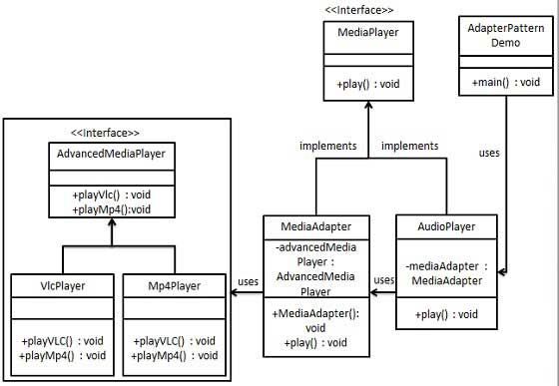

 | Step 1
 | Create interfaces for Media Player and Advanced Media Player.
 | MediaPlayer.java
 | public interface MediaPlayer {
 | public void play(String audioType, String fileName);
 | }
 | AdvancedMediaPlayer.java
 | public interface AdvancedMediaPlayer {
 | public void playVlc(String fileName);
 | public void playMp4(String fileName);
 | }
 | Step 2
 | Create concrete classes implementing the AdvancedMediaPlayer interface.
 | VlcPlayer.java
 | public class VlcPlayer implements AdvancedMediaPlayer{
 | @Override
 | public void playVlc(String fileName) {
 | System.out.println("Playing vlc file. Name: "+ fileName);
 | }

 | @Override
 | public void playMp4(String fileName) {
 | //do nothing
 | }
 | }
 | Mp4Player.java
 | public class Mp4Player implements AdvancedMediaPlayer{

 | @Override
 | public void playVlc(String fileName) {
 | //do nothing
 | }

 | @Override
 | public void playMp4(String fileName) {
 | System.out.println("Playing mp4 file. Name: "+ fileName);
 | }
 | }
 | Step 3
 | Create adapter class implementing the MediaPlayer interface.
 | MediaAdapter.java
 | public class MediaAdapter implements MediaPlayer {

 | AdvancedMediaPlayer advancedMusicPlayer;

 | public MediaAdapter(String audioType){

 | if(audioType.equalsIgnoreCase("vlc") ){
 | advancedMusicPlayer = new VlcPlayer();

 | }else if (audioType.equalsIgnoreCase("mp4")){
 | advancedMusicPlayer = new Mp4Player();
 | }
 | }

 | @Override
 | public void play(String audioType, String fileName) {

 | if(audioType.equalsIgnoreCase("vlc")){
 | advancedMusicPlayer.playVlc(fileName);
 | }
 | else if(audioType.equalsIgnoreCase("mp4")){
 | advancedMusicPlayer.playMp4(fileName);
 | }
 | }
 | }
 | Step 4
 | Create concrete class implementing the MediaPlayer interface.
 | AudioPlayer.java
 | public class AudioPlayer implements MediaPlayer {
 | MediaAdapter mediaAdapter;

 | @Override
 | public void play(String audioType, String fileName) {

 | //inbuilt support to play mp3 music files
 | if(audioType.equalsIgnoreCase("mp3")){
 | System.out.println("Playing mp3 file. Name: " + fileName);
 | }

 | //mediaAdapter is providing support to play other file formats
 | else if(audioType.equalsIgnoreCase("vlc") || audioType.equalsIgnoreCase("mp4")){
 | mediaAdapter = new MediaAdapter(audioType);
 | mediaAdapter.play(audioType, fileName);
 | }

 | else{
 | System.out.println("Invalid media. " + audioType + " format not supported");
 | }
 | }
 | }
 | Step 5
 | Use the AudioPlayer to play different types of audio formats.
 | AdapterPatternDemo.java
 | public class AdapterPatternDemo {
 | public static void main(String[] args) {
 | AudioPlayer audioPlayer = new AudioPlayer();

 | audioPlayer.play("mp3", "beyond the horizon.mp3");
 | audioPlayer.play("mp4", "alone.mp4");
 | audioPlayer.play("vlc", "far far away.vlc");
 | audioPlayer.play("avi", "mind me.avi");
 | }
 | }
 | Step 6
 | Verify the output.
 | Playing mp3 file. Name: beyond the horizon.mp3
 | Playing mp4 file. Name: alone.mp4
 | Playing vlc file. Name: far far away.vlc
 | Invalid media. avi format not supported

S09
Design Patterns - Bridge Pattern
 | Bridge is used when we need to decouple an abstraction from its implementation so that the two can vary independently. This type of design pattern comes under structural pattern as this pattern decouples implementation class and abstract class by providing a bridge structure between them.
 | This pattern involves an interface which acts as a bridge which makes the functionality of concrete classes independent from interface implementer classes. Both types of classes can be altered structurally without affecting each other.
 | We are demonstrating use of Bridge pattern via following example in which a circle can be drawn in different colors using same abstract class method but different bridge implementer classes.

Implementation
 | We have a DrawAPI interface which is acting as a bridge implementer and concrete classes RedCircle, GreenCircle implementing the DrawAPI interface. Shape is an abstract class and will use object of DrawAPI. BridgePatternDemo, our demo class will use Shape class to draw different colored circle.

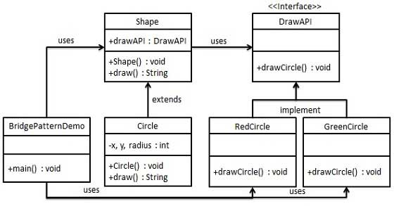

 | Step 1
 | Create bridge implementer interface.
 | DrawAPI.java
 | public interface DrawAPI {
 | public void drawCircle(int radius, int x, int y);
 | }
 | Step 2
 | Create concrete bridge implementer classes implementing the DrawAPIinterface.
 | RedCircle.java
 | public class RedCircle implements DrawAPI {
 | @Override
 | public void drawCircle(int radius, int x, int y) {
 | System.out.println("Drawing Circle[ color: red, radius: " + radius + ", x: " + x + ", " + y + "]");
 | }
 | }
 | GreenCircle.java
 | public class GreenCircle implements DrawAPI {
 | @Override
 | public void drawCircle(int radius, int x, int y) {
 | System.out.println("Drawing Circle[ color: green, radius: " + radius + ", x: " + x + ", " + y + "]");
 | }
 | }
 | Step 3
 | Create an abstract class Shape using the DrawAPI interface.
 | Shape.java
 | public abstract class Shape {
 | protected DrawAPI drawAPI;

 | protected Shape(DrawAPI drawAPI){
 | this.drawAPI = drawAPI;
 | }
 | public abstract void draw();
 | }
 | Step 4
 | Create concrete class implementing the Shape interface.
 | Circle.java
 | public class Circle extends Shape {
 | private int x, y, radius;

 | public Circle(int x, int y, int radius, DrawAPI drawAPI) {
 | super(drawAPI);
 | this.x = x;
 | this.y = y;
 | this.radius = radius;
 | }

 | public void draw() {
 | drawAPI.drawCircle(radius,x,y);
 | }
 | }
 | Step 5
 | Use the Shape and DrawAPI classes to draw different colored circles.
 | BridgePatternDemo.java
 | public class BridgePatternDemo {
 | public static void main(String[] args) {
 | Shape redCircle = new Circle(100,100, 10, new RedCircle());
 | Shape greenCircle = new Circle(100,100, 10, new GreenCircle());

 | redCircle.draw();
 | greenCircle.draw();
 | }
 | }
 | Step 6
 | Verify the output.
 | Drawing Circle[ color: red, radius: 10, x: 100, 100]
 | Drawing Circle[ color: green, radius: 10, x: 100, 100]

S10
Design Patterns - Filter Pattern
 | Filter pattern or Criteria pattern is a design pattern that enables developers to filter a set of objects using different criteria and chaining them in a decoupled way through logical operations. This type of design pattern comes under structural pattern as this pattern combines multiple criteria to obtain single criteria.

Implementation
 | We're going to create a Person object, Criteria interface and concrete classes implementing this interface to filter list of Person objects. CriteriaPatternDemo, our demo class uses Criteria objects to filter List of Person objects based on various criteria and their combinations.

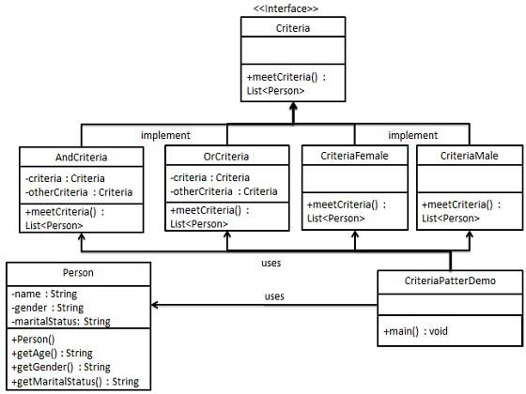

 | Step 1
 | Create a class on which criteria is to be applied.
 | Person.java
 | public class Person {

 | private String name;
 | private String gender;
 | private String maritalStatus;

 | public Person(String name, String gender, String maritalStatus){
 | this.name = name;
 | this.gender = gender;
 | this.maritalStatus = maritalStatus;
 | }

 | public String getName() {
 | return name;
 | }
 | public String getGender() {
 | return gender;
 | }
 | public String getMaritalStatus() {
 | return maritalStatus;
 | }
 | }
 | Step 2
 | Create an interface for Criteria.
 | Criteria.java
 | import java.util.List;

 | public interface Criteria {
 | public List<Person> meetCriteria(List<Person> persons);
 | }
 | Step 3
 | Create concrete classes implementing the Criteria interface.
 | CriteriaMale.java
 | import java.util.ArrayList;
 | import java.util.List;

 | public class CriteriaMale implements Criteria {

 | @Override
 | public List<Person> meetCriteria(List<Person> persons) {
 | List<Person> malePersons = new ArrayList<Person>();

 | for (Person person : persons) {
 | if(person.getGender().equalsIgnoreCase("MALE")){
 | malePersons.add(person);
 | }
 | }
 | return malePersons;
 | }
 | }
 | CriteriaFemale.java
 | import java.util.ArrayList;
 | import java.util.List;

 | public class CriteriaFemale implements Criteria {

 | @Override
 | public List<Person> meetCriteria(List<Person> persons) {
 | List<Person> femalePersons = new ArrayList<Person>();

 | for (Person person : persons) {
 | if(person.getGender().equalsIgnoreCase("FEMALE")){
 | femalePersons.add(person);
 | }
 | }
 | return femalePersons;
 | }
 | }
 | CriteriaSingle.java
 | import java.util.ArrayList;
 | import java.util.List;

 | public class CriteriaSingle implements Criteria {

 | @Override
 | public List<Person> meetCriteria(List<Person> persons) {
 | List<Person> singlePersons = new ArrayList<Person>();

 | for (Person person : persons) {
 | if(person.getMaritalStatus().equalsIgnoreCase("SINGLE")){
 | singlePersons.add(person);
 | }
 | }
 | return singlePersons;
 | }
 | }
 | AndCriteria.java
 | import java.util.List;

 | public class AndCriteria implements Criteria {

 | private Criteria criteria;
 | private Criteria otherCriteria;

 | public AndCriteria(Criteria criteria, Criteria otherCriteria) {
 | this.criteria = criteria;
 | this.otherCriteria = otherCriteria;
 | }

 | @Override
 | public List<Person> meetCriteria(List<Person> persons) {

 | List<Person> firstCriteriaPersons = criteria.meetCriteria(persons);
 | return otherCriteria.meetCriteria(firstCriteriaPersons);
 | }
 | }
 | OrCriteria.java
 | import java.util.List;

 | public class OrCriteria implements Criteria {

 | private Criteria criteria;
 | private Criteria otherCriteria;

 | public OrCriteria(Criteria criteria, Criteria otherCriteria) {
 | this.criteria = criteria;
 | this.otherCriteria = otherCriteria;
 | }

 | @Override
 | public List<Person> meetCriteria(List<Person> persons) {
 | List<Person> firstCriteriaItems = criteria.meetCriteria(persons);
 | List<Person> otherCriteriaItems = otherCriteria.meetCriteria(persons);

 | for (Person person : otherCriteriaItems) {
 | if(!firstCriteriaItems.contains(person)){
 | firstCriteriaItems.add(person);
 | }
 | }
 | return firstCriteriaItems;
 | }
 | }
 | Step4
 | Use different Criteria and their combination to filter out persons.
 | CriteriaPatternDemo.java
 | public class CriteriaPatternDemo {
 | public static void main(String[] args) {
 | List<Person> persons = new ArrayList<Person>();

 | persons.add(new Person("Robert","Male", "Single"));
 | persons.add(new Person("John", "Male", "Married"));
 | persons.add(new Person("Laura", "Female", "Married"));
 | persons.add(new Person("Diana", "Female", "Single"));
 | persons.add(new Person("Mike", "Male", "Single"));
 | persons.add(new Person("Bobby", "Male", "Single"));

 | Criteria male = new CriteriaMale();
 | Criteria female = new CriteriaFemale();
 | Criteria single = new CriteriaSingle();
 | Criteria singleMale = new AndCriteria(single, male);
 | Criteria singleOrFemale = new OrCriteria(single, female);

 | System.out.println("Males: ");
 | printPersons(male.meetCriteria(persons));

 | System.out.println("\nFemales: ");
 | printPersons(female.meetCriteria(persons));

 | System.out.println("\nSingle Males: ");
 | printPersons(singleMale.meetCriteria(persons));

 | System.out.println("\nSingle Or Females: ");
 | printPersons(singleOrFemale.meetCriteria(persons));
 | }

 | public static void printPersons(List<Person> persons){

 | for (Person person : persons) {
 | System.out.println("Person : [ Name : " + person.getName() + ", Gender : " + person.getGender() + ", Marital Status : " + person.getMaritalStatus() + " ]");
 | }
 | }
 | }
 | Step 5
 | Verify the output.
 | Males:
 | Person : [ Name : Robert, Gender : Male, Marital Status : Single ]
 | Person : [ Name : John, Gender : Male, Marital Status : Married ]
 | Person : [ Name : Mike, Gender : Male, Marital Status : Single ]
 | Person : [ Name : Bobby, Gender : Male, Marital Status : Single ]

 | Females:
 | Person : [ Name : Laura, Gender : Female, Marital Status : Married ]
 | Person : [ Name : Diana, Gender : Female, Marital Status : Single ]

 | Single Males:
 | Person : [ Name : Robert, Gender : Male, Marital Status : Single ]
 | Person : [ Name : Mike, Gender : Male, Marital Status : Single ]
 | Person : [ Name : Bobby, Gender : Male, Marital Status : Single ]

 | Single Or Females:
 | Person : [ Name : Robert, Gender : Male, Marital Status : Single ]
 | Person : [ Name : Diana, Gender : Female, Marital Status : Single ]
 | Person : [ Name : Mike, Gender : Male, Marital Status : Single ]
 | Person : [ Name : Bobby, Gender : Male, Marital Status : Single ]
 | Person : [ Name : Laura, Gender : Female, Marital Status : Married ]

S11
Design Patterns - Composite Pattern
 | Composite pattern is used where we need to treat a group of objects in similar way as a single object. Composite pattern composes objects in term of a tree structure to represent part as well as whole hierarchy. This type of design pattern comes under structural pattern as this pattern creates a tree structure of group of objects.
 | This pattern creates a class that contains group of its own objects. This class provides ways to modify its group of same objects.
 | We are demonstrating use of composite pattern via following example in which we will show employees hierarchy of an organization.

Implementation
 | We have a class Employee which acts as composite pattern actor class. CompositePatternDemo, our demo class will use Employee class to add department level hierarchy and print all employees.

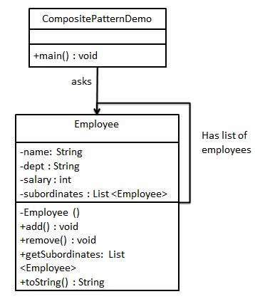

 | Step 1
 | Create Employee class having list of Employee objects.
 | Employee.java
 | import java.util.ArrayList;
 | import java.util.List;

 | public class Employee {
 | private String name;
 | private String dept;
 | private int salary;
 | private List<Employee> subordinates;

 | // constructor
 | public Employee(String name,String dept, int sal) {
 | this.name = name;
 | this.dept = dept;
 | this.salary = sal;
 | subordinates = new ArrayList<Employee>();
 | }

 | public void add(Employee e) {
 | subordinates.add(e);
 | }

 | public void remove(Employee e) {
 | subordinates.remove(e);
 | }

 | public List<Employee> getSubordinates(){
 | return subordinates;
 | }

 | public String toString(){
 | return ("Employee :[ Name : " + name + ", dept : " + dept + ", salary :" + salary+" ]");
 | }
 | }
 | Step 2
 | Use the Employee class to create and print employee hierarchy.
 | CompositePatternDemo.java
 | public class CompositePatternDemo {
 | public static void main(String[] args) {

 | Employee CEO = new Employee("John","CEO", 30000);

 | Employee headSales = new Employee("Robert","Head Sales", 20000);

 | Employee headMarketing = new Employee("Michel","Head Marketing", 20000);

 | Employee clerk1 = new Employee("Laura","Marketing", 10000);
 | Employee clerk2 = new Employee("Bob","Marketing", 10000);

 | Employee salesExecutive1 = new Employee("Richard","Sales", 10000);
 | Employee salesExecutive2 = new Employee("Rob","Sales", 10000);

 | CEO.add(headSales);
 | CEO.add(headMarketing);

 | headSales.add(salesExecutive1);
 | headSales.add(salesExecutive2);

 | headMarketing.add(clerk1);
 | headMarketing.add(clerk2);

 | //print all employees of the organization
 | System.out.println(CEO);

 | for (Employee headEmployee : CEO.getSubordinates()) {
 | System.out.println(headEmployee);

 | for (Employee employee : headEmployee.getSubordinates()) {
 | System.out.println(employee);
 | }
 | }
 | }
 | }
 | Step 3
 | Verify the output.
 | Employee :[ Name : John, dept : CEO, salary :30000 ]
 | Employee :[ Name : Robert, dept : Head Sales, salary :20000 ]
 | Employee :[ Name : Richard, dept : Sales, salary :10000 ]
 | Employee :[ Name : Rob, dept : Sales, salary :10000 ]
 | Employee :[ Name : Michel, dept : Head Marketing, salary :20000 ]
 | Employee :[ Name : Laura, dept : Marketing, salary :10000 ]
 | Employee :[ Name : Bob, dept : Marketing, salary :10000 ]

S12
Design Patterns - Decorator Pattern
 | Decorator pattern allows a user to add new functionality to an existing object without altering its structure. This type of design pattern comes under structural pattern as this pattern acts as a wrapper to existing class.
 | This pattern creates a decorator class which wraps the original class and provides additional functionality keeping class methods signature intact.
 | We are demonstrating the use of decorator pattern via following example in which we will decorate a shape with some color without alter shape class.

Implementation
 | We're going to create a Shape interface and concrete classes implementing the Shape interface. We will then create an abstract decorator class ShapeDecorator implementing the Shape interface and having Shape object as its instance variable.
 | RedShapeDecorator is concrete class implementing ShapeDecorator.
 | DecoratorPatternDemo, our demo class will use RedShapeDecorator to decorate Shape objects.

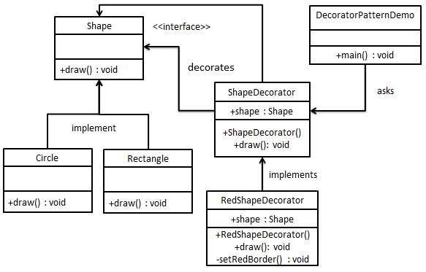

 | Step 1
 | Create an interface.
 | Shape.java
 | public interface Shape {
 | void draw();
 | }
 | Step 2
 | Create concrete classes implementing the same interface.
 | Rectangle.java
 | public class Rectangle implements Shape {

 | @Override
 | public void draw() {
 | System.out.println("Shape: Rectangle");
 | }
 | }
 | Circle.java
 | public class Circle implements Shape {

 | @Override
 | public void draw() {
 | System.out.println("Shape: Circle");
 | }
 | }
 | Step 3
 | Create abstract decorator class implementing the Shape interface.
 | ShapeDecorator.java
 | public abstract class ShapeDecorator implements Shape {
 | protected Shape decoratedShape;

 | public ShapeDecorator(Shape decoratedShape){
 | this.decoratedShape = decoratedShape;
 | }

 | public void draw(){
 | decoratedShape.draw();
 | }
 | }
 | Step 4
 | Create concrete decorator class extending the ShapeDecorator class.
 | RedShapeDecorator.java
 | public class RedShapeDecorator extends ShapeDecorator {

 | public RedShapeDecorator(Shape decoratedShape) {
 | super(decoratedShape);
 | }

 | @Override
 | public void draw() {
 | decoratedShape.draw();
 | setRedBorder(decoratedShape);
 | }

 | private void setRedBorder(Shape decoratedShape){
 | System.out.println("Border Color: Red");
 | }
 | }
 | Step 5
 | Use the RedShapeDecorator to decorate Shape objects.
 | DecoratorPatternDemo.java
 | public class DecoratorPatternDemo {
 | public static void main(String[] args) {

 | Shape circle = new Circle();

 | Shape redCircle = new RedShapeDecorator(new Circle());

 | Shape redRectangle = new RedShapeDecorator(new Rectangle());
 | System.out.println("Circle with normal border");
 | circle.draw();

 | System.out.println("\nCircle of red border");
 | redCircle.draw();

 | System.out.println("\nRectangle of red border");
 | redRectangle.draw();
 | }
 | }
 | Step 6
 | Verify the output.
 | Circle with normal border
 | Shape: Circle

 | Circle of red border
 | Shape: Circle
 | Border Color: Red

 | Rectangle of red border
 | Shape: Rectangle
 | Border Color: Red

S13
Design Patterns - Facade Pattern
 | Facade pattern hides the complexities of the system and provides an interface to the client using which the client can access the system. This type of design pattern comes under structural pattern as this pattern adds an interface to existing system to hide its complexities.
 | This pattern involves a single class which provides simplified methods required by client and delegates calls to methods of existing system classes.

Implementation
 | We are going to create a Shape interface and concrete classes implementing the Shape interface. A facade class ShapeMaker is defined as a next step.
 | ShapeMaker class uses the concrete classes to delegate user calls to these classes. FacadePatternDemo, our demo class, will use ShapeMaker class to show the results.

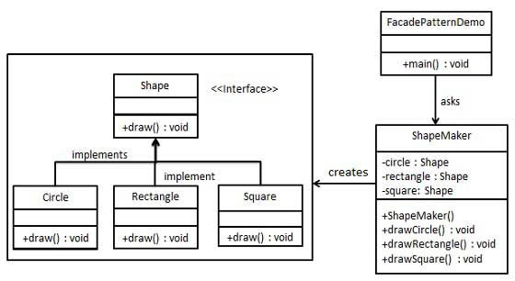

 | Step 1
 | Create an interface.
 | Shape.java
 | public interface Shape {
 | void draw();
 | }
 | Step 2
 | Create concrete classes implementing the same interface.
 | Rectangle.java
 | public class Rectangle implements Shape {

 | @Override
 | public void draw() {
 | System.out.println("Rectangle::draw()");
 | }
 | }
 | Square.java
 | public class Square implements Shape {

 | @Override
 | public void draw() {
 | System.out.println("Square::draw()");
 | }
 | }
 | Circle.java
 | public class Circle implements Shape {

 | @Override
 | public void draw() {
 | System.out.println("Circle::draw()");
 | }
 | }
 | Step 3
 | Create a facade class.
 | ShapeMaker.java
 | public class ShapeMaker {
 | private Shape circle;
 | private Shape rectangle;
 | private Shape square;

 | public ShapeMaker() {
 | circle = new Circle();
 | rectangle = new Rectangle();
 | square = new Square();
 | }

 | public void drawCircle(){
 | circle.draw();
 | }
 | public void drawRectangle(){
 | rectangle.draw();
 | }
 | public void drawSquare(){
 | square.draw();
 | }
 | }
 | Step 4
 | Use the facade to draw various types of shapes.
 | FacadePatternDemo.java
 | public class FacadePatternDemo {
 | public static void main(String[] args) {
 | ShapeMaker shapeMaker = new ShapeMaker();

 | shapeMaker.drawCircle();
 | shapeMaker.drawRectangle();
 | shapeMaker.drawSquare();
 | }
 | }
 | Step 5
 | Verify the output.
 | Circle::draw()
 | Rectangle::draw()
 | Square::draw()

S14
Design Patterns - Flyweight Pattern
 | Flyweight pattern is primarily used to reduce the number of objects created and to decrease memory footprint and increase performance. This type of design pattern comes under structural pattern as this pattern provides ways to decrease object count thus improving the object structure of application.
 | Flyweight pattern tries to reuse already existing similar kind objects by storing them and creates new object when no matching object is found. We will demonstrate this pattern by drawing 20 circles of different locations but we will create only 5 objects. Only 5 colors are available so color property is used to check already existing Circle objects.

Implementation
 | We are going to create a Shape interface and concrete class Circleimplementing the Shape interface. A factory class ShapeFactory is defined as a next step.
 | ShapeFactory has a HashMap of Circle having key as color of the Circle object. Whenever a request comes to create a circle of particular color to ShapeFactory, it checks the circle object in its HashMap, if object of Circlefound, that object is returned otherwise a new object is created, stored in hashmap for future use, and returned to client.
 | FlyWeightPatternDemo, our demo class, will use ShapeFactory to get a Shapeobject. It will pass information (red / green / blue/ black / white) to ShapeFactory to get the circle of desired color it needs.

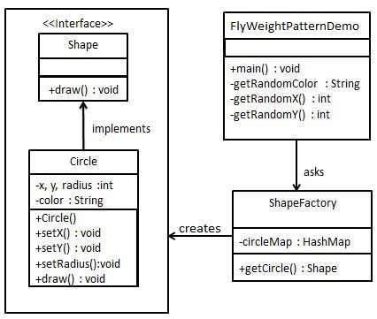

 | Step 1
 | Create an interface.
 | Shape.java
 | public interface Shape {
 | void draw();
 | }
 | Step 2
 | Create concrete class implementing the same interface.
 | Circle.java
 | public class Circle implements Shape {
 | private String color;
 | private int x;
 | private int y;
 | private int radius;

 | public Circle(String color){
 | this.color = color;
 | }

 | public void setX(int x) {
 | this.x = x;
 | }

 | public void setY(int y) {
 | this.y = y;
 | }

 | public void setRadius(int radius) {
 | this.radius = radius;
 | }

 | @Override
 | public void draw() {
 | System.out.println("Circle: Draw() [Color : " + color + ", x : " + x + ", y :" + y + ", radius :" + radius);
 | }
 | }
 | Step 3
 | Create a factory to generate object of concrete class based on given information.
 | ShapeFactory.java
 | import java.util.HashMap;

 | public class ShapeFactory {
 | private static final HashMap<String, Shape> circleMap = new HashMap();

 | public static Shape getCircle(String color) {
 | Circle circle = (Circle)circleMap.get(color);

 | if(circle == null) {
 | circle = new Circle(color);
 | circleMap.put(color, circle);
 | System.out.println("Creating circle of color : " + color);
 | }
 | return circle;
 | }
 | }
 | Step 4
 | Use the factory to get object of concrete class by passing an information such as color.
 | FlyweightPatternDemo.java
 | public class FlyweightPatternDemo {
 | private static final String colors[] = { "Red", "Green", "Blue", "White", "Black" };
 | public static void main(String[] args) {

 | for(int i=0; i < 20; ++i) {
 | Circle circle = (Circle)ShapeFactory.getCircle(getRandomColor());
 | circle.setX(getRandomX());
 | circle.setY(getRandomY());
 | circle.setRadius(100);
 | circle.draw();
 | }
 | }
 | private static String getRandomColor() {
 | return colors[(int)(Math.random()*colors.length)];
 | }
 | private static int getRandomX() {
 | return (int)(Math.random()*100 );
 | }
 | private static int getRandomY() {
 | return (int)(Math.random()*100);
 | }
 | }
 | Step 5
 | Verify the output.
 | Creating circle of color : Black
 | Circle: Draw() [Color : Black, x : 36, y :71, radius :100
 | Creating circle of color : Green
 | Circle: Draw() [Color : Green, x : 27, y :27, radius :100
 | Creating circle of color : White
 | Circle: Draw() [Color : White, x : 64, y :10, radius :100
 | Creating circle of color : Red
 | Circle: Draw() [Color : Red, x : 15, y :44, radius :100
 | Circle: Draw() [Color : Green, x : 19, y :10, radius :100
 | Circle: Draw() [Color : Green, x : 94, y :32, radius :100
 | Circle: Draw() [Color : White, x : 69, y :98, radius :100
 | Creating circle of color : Blue
 | Circle: Draw() [Color : Blue, x : 13, y :4, radius :100
 | Circle: Draw() [Color : Green, x : 21, y :21, radius :100
 | Circle: Draw() [Color : Blue, x : 55, y :86, radius :100
 | Circle: Draw() [Color : White, x : 90, y :70, radius :100
 | Circle: Draw() [Color : Green, x : 78, y :3, radius :100
 | Circle: Draw() [Color : Green, x : 64, y :89, radius :100
 | Circle: Draw() [Color : Blue, x : 3, y :91, radius :100
 | Circle: Draw() [Color : Blue, x : 62, y :82, radius :100
 | Circle: Draw() [Color : Green, x : 97, y :61, radius :100
 | Circle: Draw() [Color : Green, x : 86, y :12, radius :100
 | Circle: Draw() [Color : Green, x : 38, y :93, radius :100
 | Circle: Draw() [Color : Red, x : 76, y :82, radius :100
 | Circle: Draw() [Color : Blue, x : 95, y :82, radius :100

S15
Design Patterns - Proxy Pattern
 | In proxy pattern, a class represents functionality of another class. This type of design pattern comes under structural pattern.
 | In proxy pattern, we create object having original object to interface its functionality to outer world.

Implementation
 | We are going to create an Image interface and concrete classes implementing the Image interface. ProxyImage is a a proxy class to reduce memory footprint of RealImage object loading.
 | ProxyPatternDemo, our demo class, will use ProxyImage to get an Imageobject to load and display as it needs.

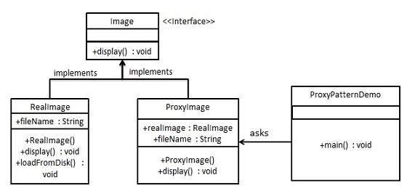

 | Step 1
 | Create an interface.
 | Image.java
 | public interface Image {
 | void display();
 | }
 | Step 2
 | Create concrete classes implementing the same interface.
 | RealImage.java
 | public class RealImage implements Image {

 | private String fileName;

 | public RealImage(String fileName){
 | this.fileName = fileName;
 | loadFromDisk(fileName);
 | }

 | @Override
 | public void display() {
 | System.out.println("Displaying " + fileName);
 | }

 | private void loadFromDisk(String fileName){
 | System.out.println("Loading " + fileName);
 | }
 | }
 | ProxyImage.java
 | public class ProxyImage implements Image{

 | private RealImage realImage;
 | private String fileName;

 | public ProxyImage(String fileName){
 | this.fileName = fileName;
 | }

 | @Override
 | public void display() {
 | if(realImage == null){
 | realImage = new RealImage(fileName);
 | }
 | realImage.display();
 | }
 | }
 | Step 3
 | Use the ProxyImage to get object of RealImage class when required.
 | ProxyPatternDemo.java
 | public class ProxyPatternDemo {

 | public static void main(String[] args) {
 | Image image = new ProxyImage("test_10mb.jpg");

 | //image will be loaded from disk
 | image.display();
 | System.out.println("");

 | //image will not be loaded from disk
 | image.display();
 | }
 | }
 | Step 4
 | Verify the output.
 | Loading test_10mb.jpg
 | Displaying test_10mb.jpg

 | Displaying test_10mb.jpg

